WMT Compatibility
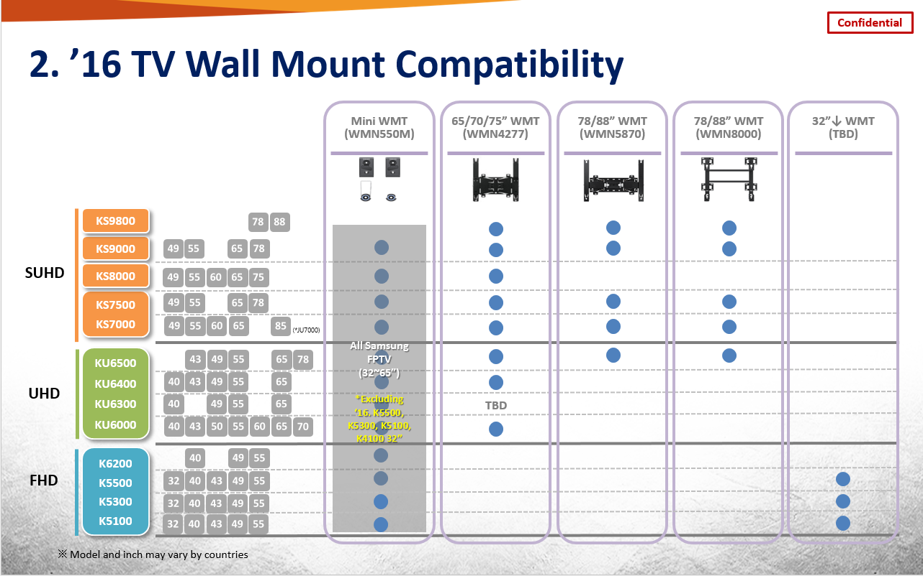

No WMT Line-up
for 32" ↓

