WMT Compatibility
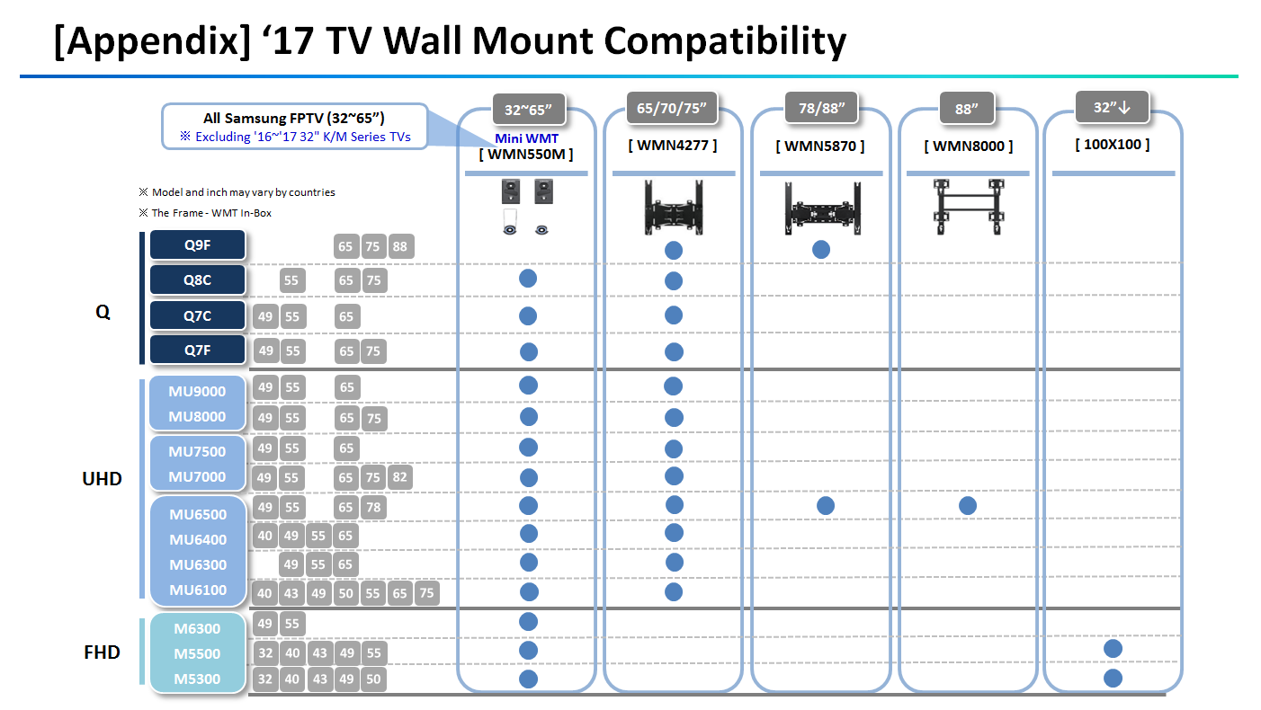

incl. 55Q6F

